Page 1
 | Insulation expert (TIPCHECK engineer)
 | Luis Lopez Bunner
 | luis.lopez@eiig.org
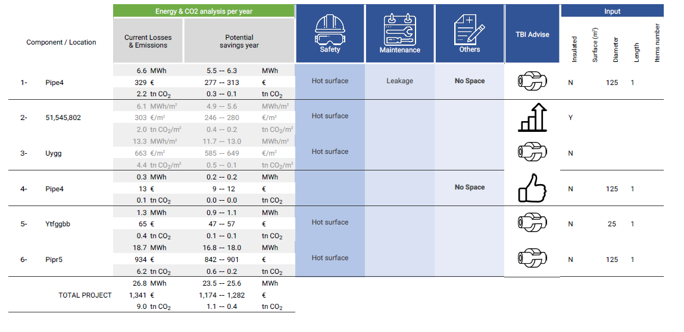
 | +32492919797

 | TIPCHECK based inspections

Disclaimer: Tbi is a reporting tool developed by the European Industrial Insulation Foundation to estimate energy losses and potential savings and report about safety, maintenance or any others relevant issues link to insulation. Estimations are based on basic heat transfer formulation and inputs provided by the user, assuming some scenarios which that not necessarily reflect the real life (wind speed, orientation, …). EiiF does not warrant any outcome of the tool and shall not be liable for any damage incurred by the user or third party resulting from the use of this reporting tool. Tbi does not provide or recommend any technical solutions or insulation material.

 |  | Disclamier: Tbi is a reporting tool developed by the European Industrial Insulation Foundation to estimate energy losses and potential savings and report about safety, maintenance or any others relevant issues link to insulation. Estimations are based on basic heat transfer formulation and inputs provided by the user, assuming some scenarios which that not necessarily reflect the real life (wind speed, orientation, …). EiiF does not warrant any outcome of the tool and shall not be liable for any damage incurred by the user or third party resulting from the use of this reporting tool. Tbi does not provide or recommend any technical solutions or insulation material.

Page 2
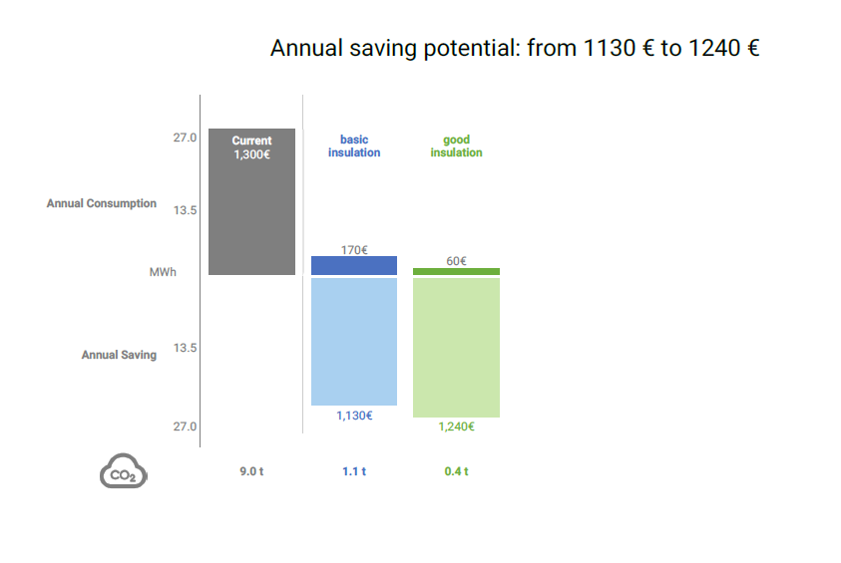

Disclaimer: Tbi is a reporting tool developed by the European Industrial Insulation Foundation to estimate energy losses and potential savings and report about safety, maintenance or any others relevant issues link to insulation. Estimations are based on basic heat transfer formulation and inputs provided by the user, assuming some scenarios which that not necessarily reflect the real life (wind speed, orientation, …). EiiF does not warrant any outcome of the tool and shall not be liable for any damage incurred by the user or third party resulting from the use of this reporting tool. Tbi does not provide or recommend any technical solutions or insulation material.

Sheet2
